Contents
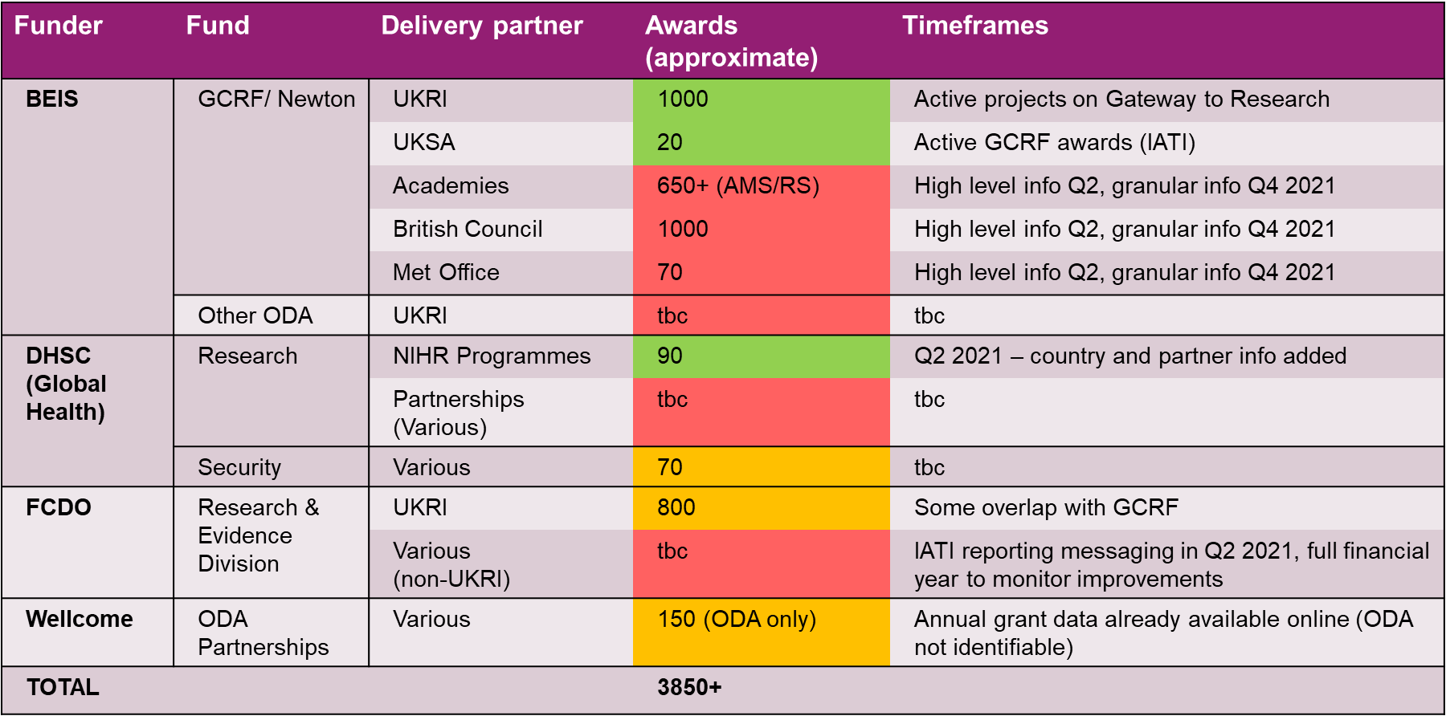
Active ODA Research & Innovation Awards - South Africa

Sheet | Description | Number
1) Awards (narrow) | List of active awards where South Africa is the “location of activity” (i.e. we know a South African organisation is involved) | 47
2) Awards (broad) | List of active awards where South Africa is referenced in the description, listed as a beneficiary or is the location of activity | 144

Caveats
- Name/country of partner organisations - largely only available for UKRI projects, working with funders to improve the detail
- Funding amounts - where shown, funding amounts will be for the entire award duration and may be indicative
- Update frequency - data in this spreadsheet is the best currently available publicly - different funders update information at different times
and things like award start/end dates can change

Data coverage
The table below gives an idea of what award information is available in the public domain across different areas of the ODA Research & Innovation portfolio.
This spreadsheet should contain all awards from the funds in GREEN, some awards from funds in YELLOW and limited/no awards from those in RED.

